Option Greeks
 |  | Option Greeks - TATASTEEL Call Options

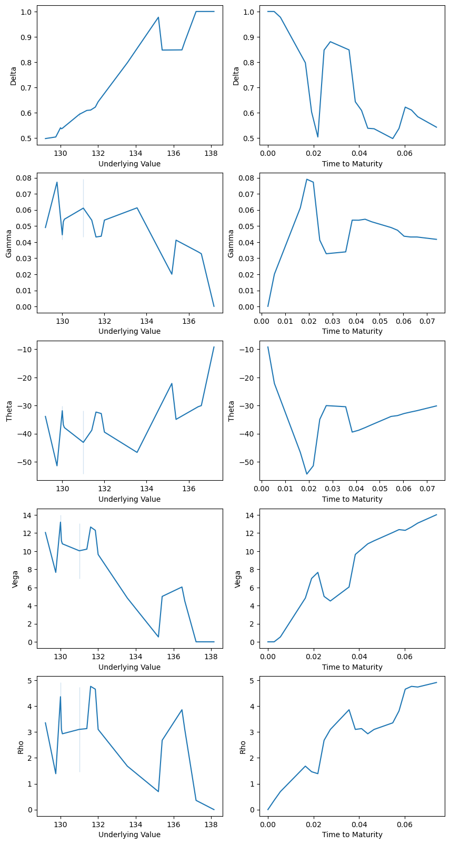

 |  |  | S.No. | Date | Expiry | Time to Maturity | Underlying Value | Delta | Gamma | Theta | Vega | Rho
Strike Price | 130
Selling Date | 1-Dec-23
Expiry Date | 28-Dec-23 |  | 1 | 1-Dec-23 | 28-Dec-23 | 0.0740 | 130 | 0.5428 | 0.0417 | -30.14 | 14.02 | 4.914
No. of options sold | 100,000 |  | 2 | 4-Dec-23 | 28-Dec-23 | 0.0658 | 131 | 0.5841 | 0.0432 | -31.84 | 13.10 | 4.739
Underlying on Selling Date | 130 |  | 3 | 5-Dec-23 | 28-Dec-23 | 0.0630 | 131.6 | 0.6104 | 0.0432 | -32.33 | 12.67 | 4.765
Volatility | 0.2689 |  | 4 | 6-Dec-23 | 28-Dec-23 | 0.0603 | 131.85 | 0.6221 | 0.0437 | -32.85 | 12.30 | 4.656
Rate of Interest | 0.07 |  | 5 | 7-Dec-23 | 28-Dec-23 | 0.0575 | 130 | 0.5377 | 0.0474 | -33.58 | 12.38 | 3.814
Black - Scholes Price per option | 4.13 |  | 6 | 8-Dec-23 | 28-Dec-23 | 0.0548 | 129.2 | 0.4977 | 0.0491 | -33.89 | 12.07 | 3.354
 |  |  | 7 | 11-Dec-23 | 28-Dec-23 | 0.0466 | 130.05 | 0.5366 | 0.0526 | -36.84 | 11.15 | 3.099
 |  |  | 8 | 12-Dec-23 | 28-Dec-23 | 0.0438 | 130.1 | 0.5384 | 0.0542 | -37.86 | 10.82 | 2.931
 |  |  | 9 | 13-Dec-23 | 28-Dec-23 | 0.0411 | 131.4 | 0.6089 | 0.0536 | -38.80 | 10.23 | 3.132
 |  |  | 10 | 14-Dec-23 | 28-Dec-23 | 0.0384 | 132 | 0.6433 | 0.0536 | -39.45 | 9.64 | 3.100
 |  |  | 11 | 15-Dec-23 | 28-Dec-23 | 0.0356 | 136.45 | 0.8482 | 0.0339 | -30.43 | 6.05 | 3.861
 |  |  | 12 | 18-Dec-23 | 28-Dec-23 | 0.0274 | 136.6 | 0.8806 | 0.0328 | -30.03 | 4.51 | 3.098
 |  |  | 13 | 19-Dec-23 | 28-Dec-23 | 0.0247 | 135.4 | 0.8475 | 0.0412 | -34.93 | 5.01 | 2.679
 |  |  | 14 | 20-Dec-23 | 28-Dec-23 | 0.0219 | 129.75 | 0.5040 | 0.0772 | -51.44 | 7.66 | 1.389
 |  |  | 15 | 21-Dec-23 | 28-Dec-23 | 0.0192 | 131 | 0.6027 | 0.0791 | -54.39 | 7.00 | 1.465
 |  |  | 16 | 22-Dec-23 | 28-Dec-23 | 0.0164 | 133.55 | 0.7973 | 0.0613 | -46.68 | 4.83 | 1.681
 |  |  | 17 | 26-Dec-23 | 28-Dec-23 | 0.0055 | 135.2 | 0.9772 | 0.0201 | -22.15 | 0.54 | 0.695
 |  |  | 18 | 27-Dec-23 | 28-Dec-23 | 0.0027 | 137.2 | 0.9999 | 0.0001 | -9.18 | 0.00 | 0.356
 |  |  | 19 | 28-Dec-23 | 28-Dec-23 | 0.0000 | 138.15 | 1.0000 |  |  | 0.00 | 0.000

